Rates
Subistance rates & Motor Travel rates below

 | Subsistence rates may be claim on a receipted basis, as long as the total claim does not exceed the daily rates indicated below

 | SUBSISTENCE RATES (prior to 14/12/2023) |  |  |  |  | SUBSISTENCE RATES (after 14/12/2023)
 |  |  | € |  | 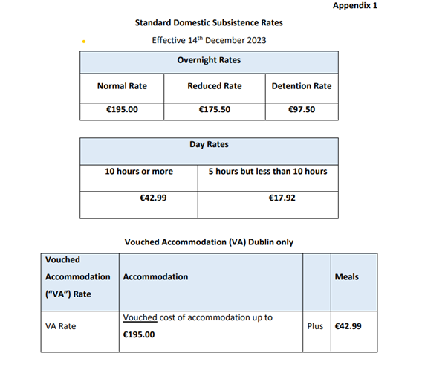
 | Night allowance - 24 hours |  | 167
 | 10 hours or more |  | 39.08
 | Greater than 5 hours, less than 10 hours |  | 16.29

 | MOTOR TRAVEL RATES (IN KILOMETRES)

 | Full rate
Total kilometres
Band 1 |  | Under 1201cc | 41.8 | cents
0-1500km |  | 1201cc to 1500cc | 43.4 | cents
 |  | 1501cc and over | 51.82 | cents

